A̳ssets

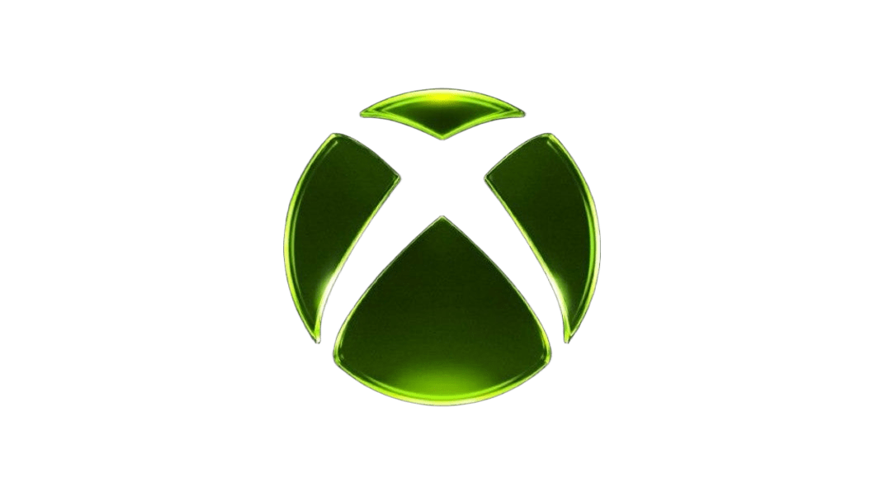

Paleta de Cores

 |  | #A6A6A6 | negative zone

#F2F2F2 | fundo do gráfico
#22C55E | barra gráfico
#06E00B | menu

Logos |  |  |  | ícones

D̳ashboard
Xbox Game Pass Subscription Sales
Calculation Period: 01/01/2026 - 31/12/2026 | Update Date 10/09/2026
R$ 600,00
Total Subscription EA Play Season Pass
R$ 940,00
Total Subscription Minecraft Season Pass

 | Total
No | R$217.00
Yes | R$1,537.00
Total Subscription Xbox Game Pass

 | Total
No | R$217.00
Yes | R$1,537.00
 | Total
Core | 24
Standard | 27
Ultimate | 20
 | Total
Core | 24
Standard | 27
Ultimate | 20
Total Subscription Auto-renewing
 | Total
Core | R$120.00
Standard | R$448.00
Ultimate | R$1,186.00
Total Revenue

